Sheet1
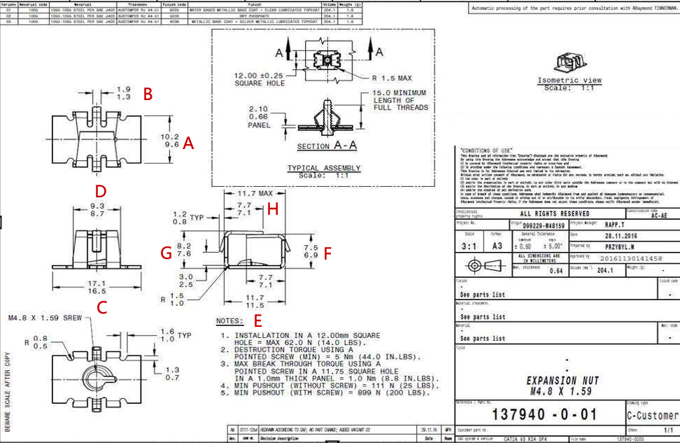
Part No. | A | B | C | D | E | F | G | H
1 | 9.89 | 1.54 | 16.83 | 9.12 | 11.62 | 7.22 | 7.94 | 7.22
2 | 9.9 | 1.58 | 16.87 | 9.1 | 11.6 | 7.21 | 7.94 | 7.4
3 | 9.95 | 1.52 | 16.86 | 9.12 | 11.6 | 7.19 | 7.93 | 7.41
4 | 9.93 | 1.52 | 16.85 | 9.1 | 11.6 | 7.26 | 7.98 | 7.54
5 | 9.97 | 1.53 | 16.86 | 9.09 | 11.57 | 7.21 | 7.93 | 7.23

